Graphs from BOXVIA
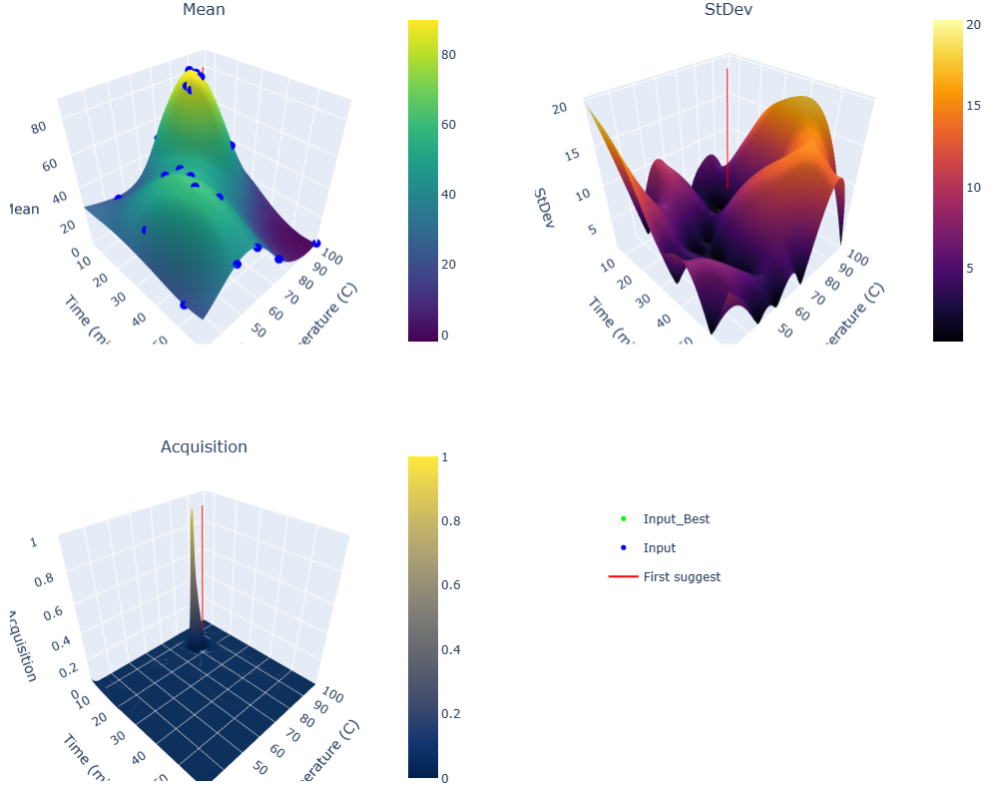
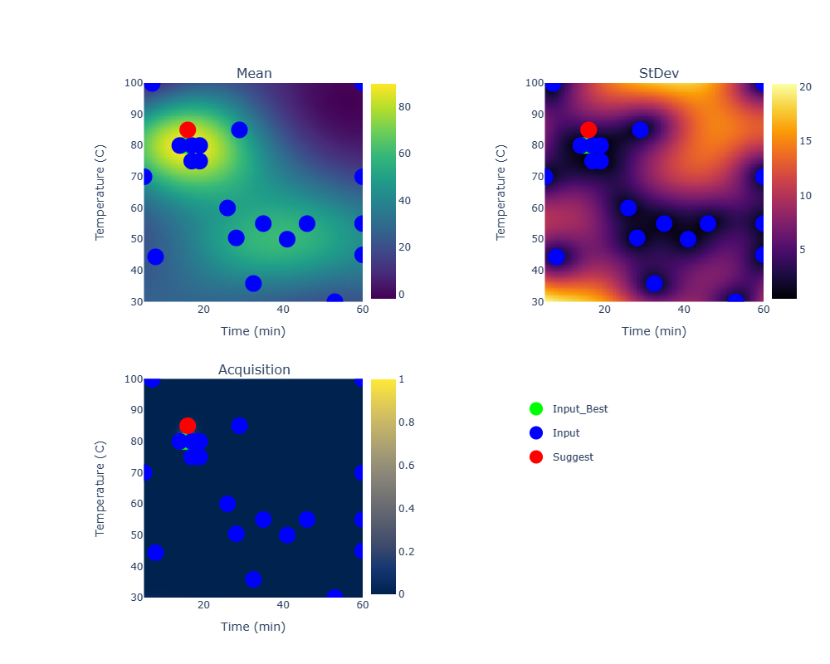

Graphs from data
 | Average Yield
Training (6) | 26.170188479
1 (3) | 55.666666667
2 (3) | 33.333333333
3 (3) | 35.1
4 (3) | 53.666666667
5(3) | 85.333333333
6 (3) | 89.666666667
Time (min) | Temperature (C) | Yield (%)
60 | 100 | 0.3
8.36739586 | 103.6365384 | 4.763451524
7.057161629 | 99.86600327 | 10.36964338
60 | 70 | 18
53 | 30 | 21
7.903612183 | 44.35545537 | 24.65021814
32.51778163 | 35.81398691 | 36.68685709
60 | 55 | 41
60 | 45 | 41
26 | 60 | 50
5 | 70 | 50
29 | 85 | 52
28.19967459 | 50.42246191 | 54.38077226
Parallel coordinates plot (obtained from re-arranged table on the right)
46 | 55 | 55
35 | 55 | 57
41 | 50 | 60
19 | 75 | 83
17 | 75 | 84
19 | 80 | 88
14 | 80 | 89
17 | 80 | 89
16 | 80 | 90
15 | 80 | 90

BTW, the function
60*e^{(-((x-40)^2/(2*25^2)+(y-50)^2/(2*15^2)))}+85*e^{(-((x-15)^2/(2*15^2)+(y-80)^2/(2*10^2)))}
Fake maximum | 40min, 50C
real maximum | 15min, 80C

Few point random generated |  |  | Yield generator
Time (min) | Temperature (C) | Yield (%) | Time (min) | Temperature (C) | Yield (%)
16.643469996 | 86.960291719 | 68.178378762 | 15 | 80 | 89.925099917
20.958873487 | 37.543753554 | 31.810556156
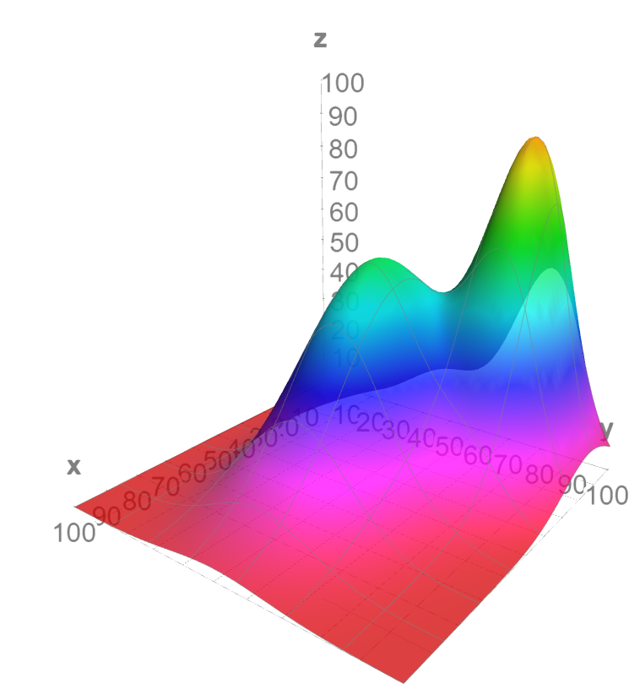
21.82544733 | 69.578130573 | 64.179427475
33.82451832 | 102.82472307 | 2.9766089703
23.851981277 | 64.359466646 | 51.818683949
13.830096172 | 103.02985153 | 6.0429457309
6.8274732686 | 47.306105305 | 24.830545929
14.335341038 | 81.952373744 | 86.977738518
10.280807868 | 39.939928872 | 23.664601482
18.786252599 | 80.376874844 | 87.662141601
5.8238373525 | 101.23944824 | 7.4577409806
26.235087218 | 33.841028164 | 28.863249586
34.89854051 | 67.698782804 | 45.841335737
17.125489297 | 53.081545853 | 40.900909375
34.711805184 | 65.443387238 | 46.960231852
31.285304791 | 86.257147633 | 41.80695275
30.009934825 | 104.6550558 | 2.5386166087
20.686157183 | 36.822394509 | 30.273461713
33.715404184 | 99.615219399 | 5.9449006655
21.482839014 | 60.531532239 | 47.279905215

